q6
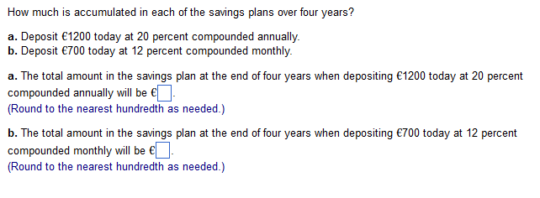

a:
P: | 1200
i: | 20%
N: | 4 | 4
F: | 2488.32

b:
P: | 700
i: | 1%
N: | 48 | 4
F: | 1128.5582544

